Introduction
Position | Backend Developer | Task1: API Creation
Required skillset | Any language | You are given API documentation
 |  | You are asked to write the code for the API
Project Stack | C#, Dotnet (you may use any language for the selection process) | You may use any language to complete this task
 |  | You may use Node.js or Python or Dotnet or Django or any backend framework

 |  | Task2: API documentation
DeepTech | A Technology is considered to be DeepTech if a considerable amount of research has gone into it's development. DeepThought has researched Psychology to develop a new way of building EdTech applications. | You are given a functionality
 |  | You are asked to write the API documentation

 |  | Why these tasks
Mindset Required | The hired developer would work on C#, Dotnet (we would help you self-learn if you are hired). You would have to work on both Web Applications and Desktop Applications, with an open mindset to learn multiple technologies | Most of the hired backend developer's time goes into documentation and execution of APIs. These two tasks evaluate your ability to read, understand the requirements and the execute the backend.

Submission |  | If hired, what would you be taught
Step1: You may create a copy of this entire sheet. Step2: You may read all the subsheets carefully Step3: You may change the sharing permissions to "anyone with link can view". Step4: You may enter the Git link to your assignment - you may include the code of your API-Task1 as well as your API documentation-Task2 (link is given below) |  | All DT associates are trained on the complete Tech stack, irrespective of the specialization, so every has a holistic understanding of the development process. The interns also go through DT's socio-psychological learning models, level-5 leadership and DeepTech innovation training

 |  | Submission Link | https://forms.gle/V9HVdHmDj9pK8eek7

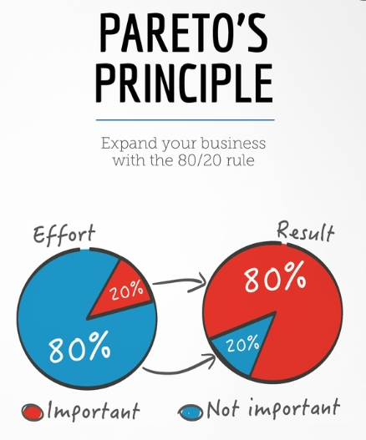

 |  | The tasks are quite easy, provided you follow the Pareto's law: spend 80% of the time reading and understanding, 20% time executing the task

Task2
Task 2 | API Documentation
 | Document the details about the API, the description of the API is given below

 | Nudge creation page wireframe
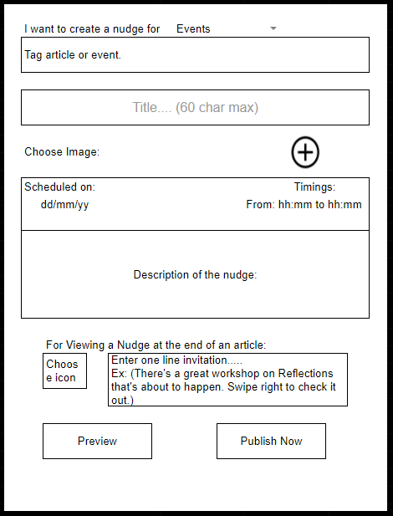
 |  | Description about the page
 |  | 1 | User can tag an event which he wants to create a nudge about and give this nudge a title.
 |  | 2 | User should be able to upload a image which will be shown as a cover for the nudge
 |  | 3 | Add a time at which the user wants to send the nudge
 |  | 4 | The nudge will have a description
 |  | 5 | This nudges will also have a icon and one line invitation which will be shown where the nudge is minimized or when it is shown along with a event/article

 |  | Steps to do
 |  | 1 | Go through the wireframe in the image, it is a page where a user can create a nudge for his/her event
 |  | 2 | Create a Object data model for the Nudge, you can use the above model for reference
 |  | 3 | Write a documentation about how the api structure should be. The documentation should include the types of requests you want to perform, base url, API Endpoints, Payload and the description about the API
 |  | 4 | You can use the above table(Table 1) for reference
 |  | 5 | Write the documentation for the CRUD functionalitites

